Products
Product Name | Type | Price | Quantity | Description | Product Image
Cubical Wine Rack Cabinet | Cabinet | 780 | 2 | * Cubical wine rack sideboard from MOVO, a popular Swiss brand in the 90s. * Condition: 8/10 * Minor scratches and chipped corners on the bottom left of cabinet. * Originally from a local resident. * 78 (H) x 94 (W) x 35 (D) Delivery method: Only to ground level or lift-landing floor which this item can fit into your service lift.
Java Antique Rose Gold | Mirror | 320 | 3 | * Mango Wood mirror from Java, Indonesia. * Mirror surface free of scratches, wooden frame retouched with rose gold paint matching original. * Originally from Tapas Hotel * 162 (H) x 84 (W) x 3 (D) | 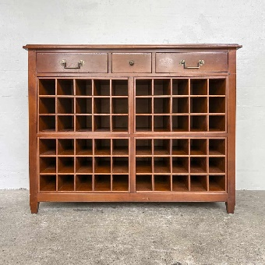
Oval Table (3-Drawer) | Table | 130 | 6 | * Teak wood side table from Java, Indonesia. * Handcrafted by Javanese craftsmen, firmly held together with traditional butt joints to retain the old school charm of the furniture. On top of that, the butt joints are further reinforced with epoxy resin and nailed in for extra security. * Varnish touchups done in-house, some tables have minor chipped corners on inconspicuous parts of the table. * Originally from closed Begia Hotel in Indonesia * 72 (H) x 41 (W) x 34 (D)
Vintage Sewing Machine Table | Table | 260 | 1 | * Grade A Oak sewing table made locally in Singapore in the 80s. * Condition: 7/10 * Minor scratches and weathering, retouched in-house * Originally from local residence * 78 (H) x 86 (W) x 45 (D) | 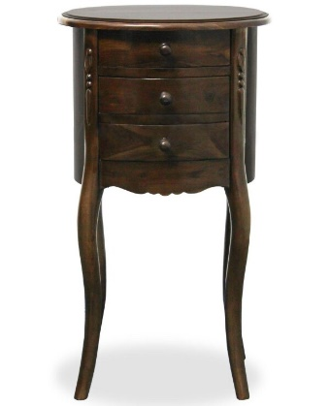 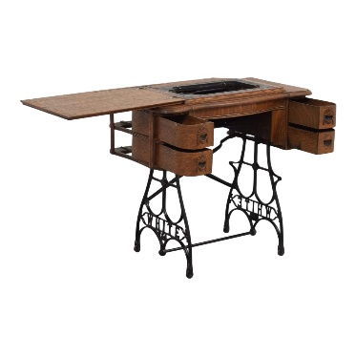 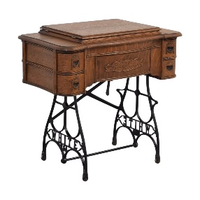
Nishigishi Chair | Chair | 522 | 4 | * Original Pine wood chair set of 4 made by Nishigishi Furniture in Kyoto * Condition 9/10 Minor scratches and weather, retouched in-house * Originally from local Japanese residence * 78 (H) x 60 (W) x 48 (D); 43 (Seat Height and Depth)
Design Toscano Verona Filigree Bench | Chair | 790 | 1 | * Hand-crafted Mahogany bench by Design Toscano * Condition: 9/10 *Originally from Johor residence 78 (H) x 126 (W) x 47 (D); 43 (Seat Depth) | 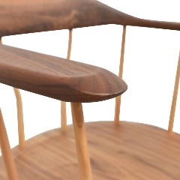 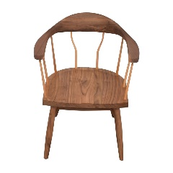 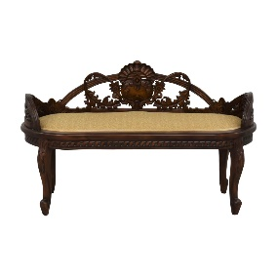
Nanyang Vintage Chair | Chair | 450 | 2 | * Old Nanyang style arm chair * Condition 9/10 * Originally from local residence * 69 (H) x 60 (W) x 48 (D); 43 (Seat Depth) | 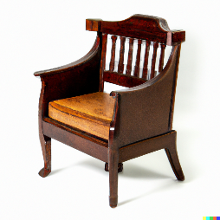
Teak Motif Java Cabinet | Cabinet | 1100 | 1 | * Teak Motif Java Cabinet, made in Yogyakarta by local artisans | 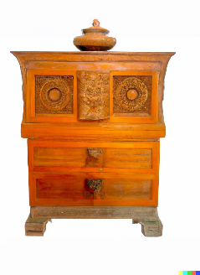
Antique Brass Gothic Standing Lantern | Wares | 40 | 6 | * Old Brass Standing and Hanging Lantern * Condition 7/10, Metal surface with natural patina. Door is fixed with new hinges * Originally from local residence * 24 (H) x 14 (W) x 14 (L); 0.7kg | 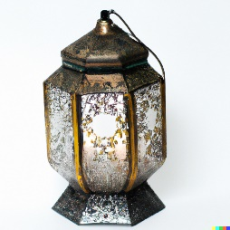
Antique Brass Hanging Lantern | Wares | 40 | 6 | * Old Brass Hanging Lantern * Condition 8/10, Metal surface with natural patina. Door is fixed with new hinges * Originally from local residence * 35 (H) x 16 (W) x 16 (L); 0.9kg
Mid-Century Modern Armchair | Chair | 300 | 2 | * This stylish armchair from the mid-20th century features clean lines and a sleek design. Made from rich, warm-toned wood, it has a comfortably upholstered seat and backrest in a neutral, textured fabric. * Condition 8/10, upholstery repaired. * Originally from local residence
Antique Roll-Top Desk | Table | 1030 | 1 | * This beautifully crafted red wood desk dates back to the mid 20th century Southeast Asia and boasts intricate carvings and brass hardware. The roll-top design provides ample storage for papers and office supplies, while the multiple drawers and compartments keep everything organized. * Condition 9/10, new coat of wood-protection varnish
Vintage Chesterfield Sofa | Chair | 1200 | 1 | * This timeless 90's sofa, known for its deep button tufting and luxurious leather upholstery. With its distinctive curved arms and backrest, this sofa exudes elegance and sophistication. The warm, rich leather adds a touch of warmth and coziness to any living room. * Condition: 8/10, upholstery dry-cleaned and repaired, springs repaired.
Art Deco Vanity | Table | 700 | 1 | * This glamorous vanity inspired from the 1920s features a mirrored top and beautiful curved lines. The art deco design is characterized by bold geometric shapes and striking colors, and this vanity is no exception. The multiple drawers and compartments provide ample storage for makeup, jewelry, and other accessories
Retro Dining Table and Chairs: | Table | 1150 | 1 | * This nostalgic vintage dining set from the 1950s features a sleek table with a Formica top and chrome legs, paired with four comfortable chairs with vinyl upholstery. The retro design is perfect for adding a pop of color to any kitchen or dining room, and the table's compact size makes it a great choice for small spaces. * Table and chairs NOT sold separately * Condition: 8/10, Table legs sanded down and given new varnish
French Provincial Dresser | Table | 950 | 1 | * This elegant dresser inspired from the 18th century features beautiful curved lines and intricate carvings. Made from warm-toned wood, it has multiple drawers and a spacious top for storage and display. The classic French provincial design adds a touch of charm and sophistication to any bedroom. * Condition: 9/10
Vintage Eames Lounge Chair and Ottoman set | Chair | 1090 | 1 | * This iconic lounge chair from the mid-20th century is a masterpiece of modern design. With its smooth, curved lines and comfortable leather upholstery, this chair is the perfect place to relax and unwind. The classic design is a true statement piece that will add style and sophistication to any living room. * Condition: 9/10, Leather upholstery is original, no cracks.
Retro Bar Cart | Table |  |  | * This vintage bar cart from the 1960s features a sleek, chrome-plated frame and two glass shelves. The retro design is perfect for serving drinks and hors d'oeuvres in style, and the compact size makes it a great choice for small apartments and homes. * Condition: 8/10, Damaged wheels repaired.
Mid-Century Modern Sideboard | Wares |  |  | * This stylish sideboard from the 1980s features a sleek, minimalist design with clean lines and warm-toned wood. With its multiple drawers and compartments, this sideboard is perfect for storing dishes, linens, and other dining essentials. The mid-century modern design is perfect for adding a touch of vintage style to any dining room. * Condition: 9/10, Originally from local residence
Burmese Teak Cabinet | Cabinet |  |  | * This beautifully crafted teak cabinet from Burma features intricate carvings and brass hardware. The warm-toned wood has a rich, natural grain that adds warmth and texture to any room. The cabinet has multiple shelves and drawers for storage, making it a practical and stylish addition to any home. * Condition: 9/10, Broken handles repaired, new coat of clear wood-protection varnish applied
Thai Floor Cushions | Wares |  |  | * These colorful floor cushions from Thailand are perfect for adding a touch of Southeast Asian style to any home. Handmade from traditional textiles, they feature bold patterns and bright colors that are sure to catch the eye. They're great for use as extra seating or as a comfortable spot to relax and unwind. * Condition: 9/10, Cushions dry-cleaned.
Vietnamese Lacquerware Chest | Wares
Filipino Rattan Chair | Chair
Cambodian Silk Cushions | Wares
Malaysian Carved Coffee Table | Table
Peranakan Cabinet | Cabinet
Thai Temple Bell | Wares
Indonesian Batik Stool | Chair
Vietnamese Ceramic Vase | Wares
Thai Wooden Elephant | Wares
Indonesian Batik Wall Hanging | Wares
Burmese Lacquerware Bowl | Wares
Malaysian Brass Incense Burner | Wares
Capiz Shell Chandelier | Wares
Peranakan Tiles | Wares
Buddha Statue: | Wares
Indonesian Wayang Kulit Shadow Puppet | Wares
Thai Teak Wood Mirror | Mirror
Burmese Lacquerware Mirror | Mirror
Cambodian Silk Embroidered Mirror | Mirror

